Sheet1
TEST task 3 TEST on : StagingTest Local Expect Result: distinguish the value of ordercomplete_value and ordercomplete_value_DB2 is Precal_value or PostCal_value

Step | Description | Expected result | Result | Result Details | SQL query
1 | Count row between Staging.FAKT_OrderComplete and StagingTest.FAKT_OrderComplete | indentical rows between Staging.FAKT_OrderComplete and StagingTest.FAKT_OrderComplete | success | 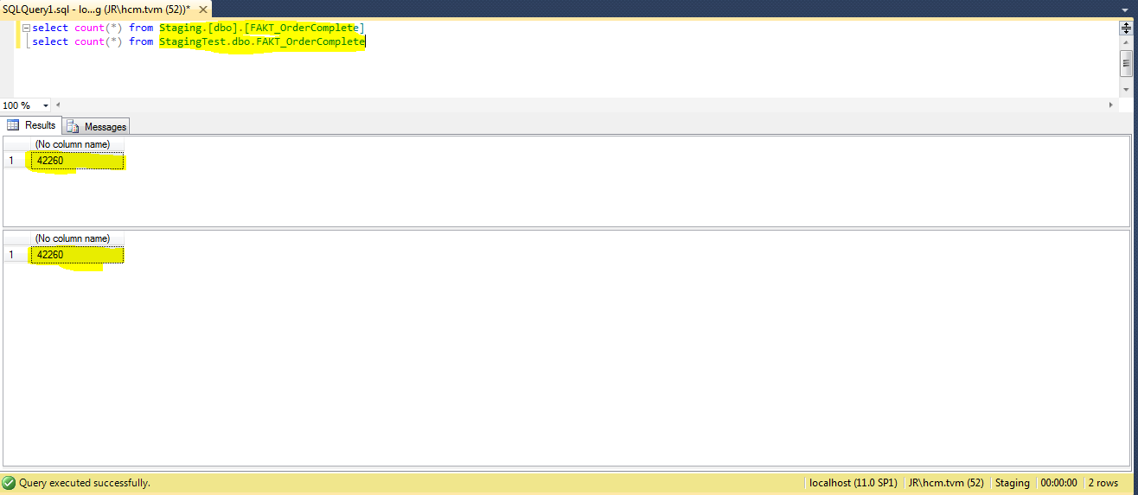 tinc | select count(*) from Staging.[dbo].[FAKT_OrderComplete] select count(*) from StagingTest.dbo.FAKT_OrderComplete
2 | compare data in StagingTest.FAKT_OrderComplete which calculation_status=1 with data in Staging.FAKT_OrderComplete to check whether is there any different value of between (ordercomplete_value,ordercomplete_value_currency) and (PostCal_Value, PostCal_Value_currency) | no rows is different | success | 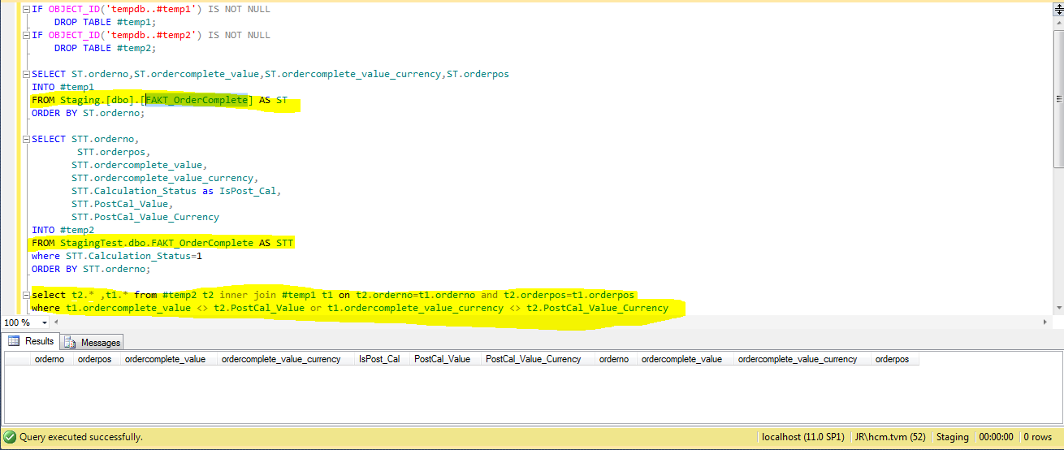 | IF OBJECT_ID('tempdb..#temp1') IS NOT NULL DROP TABLE #temp1; IF OBJECT_ID('tempdb..#temp2') IS NOT NULL DROP TABLE #temp2; SELECT ST.orderno,ST.ordercomplete_value,ST.ordercomplete_value_currency,ST.orderpos INTO #temp1 FROM Staging.[dbo].[FAKT_OrderComplete] AS ST ORDER BY ST.orderno; SELECT STT.orderno, STT.orderpos, STT.ordercomplete_value, STT.ordercomplete_value_currency, STT.Calculation_Status as IsPost_Cal, STT.PostCal_Value, STT.PostCal_Value_Currency INTO #temp2 FROM StagingTest.dbo.FAKT_OrderComplete AS STT where STT.Calculation_Status=1 ORDER BY STT.orderno; select t2.* ,t1.* from #temp2 t2 inner join #temp1 t1 on t2.orderno=t1.orderno and t2.orderpos=t1.orderpos where t1.ordercomplete_value <> t2.PostCal_Value or t1.ordercomplete_value_currency <> t2.PostCal_Value_Currency
3 | compare data in StagingTest.FAKT_OrderComplete which calculation_status=1 with data in Staging.FAKT_OrderComplete to check whether is there any different value of between (ordercomplete_value,ordercomplete_value_currency) and (PreCal_Value, PreCal_Value_currency) | no rows is different | success | 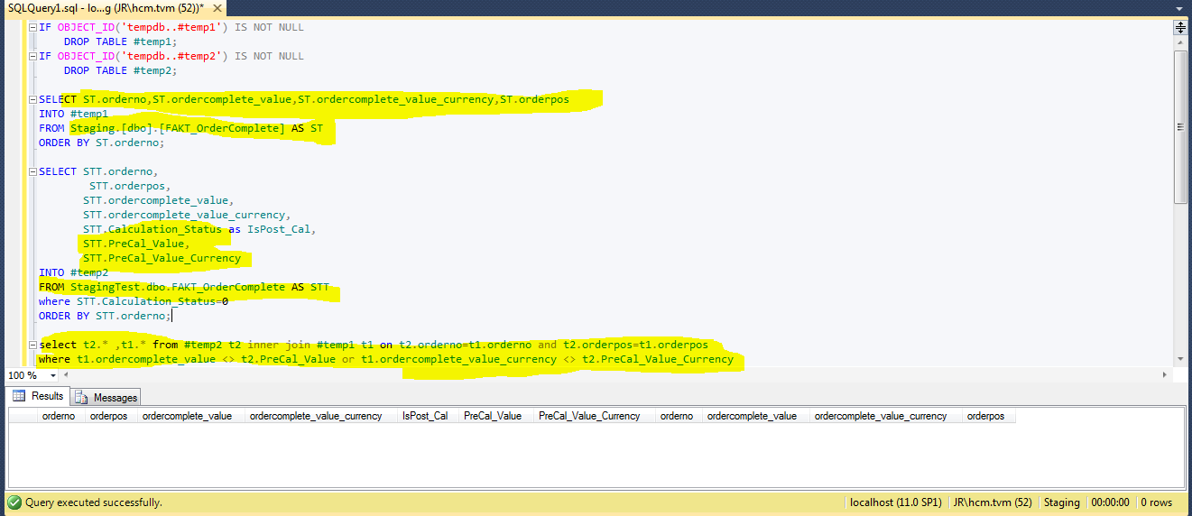 | IF OBJECT_ID('tempdb..#temp1') IS NOT NULL DROP TABLE #temp1; IF OBJECT_ID('tempdb..#temp2') IS NOT NULL DROP TABLE #temp2; SELECT ST.orderno,ST.ordercomplete_value,ST.ordercomplete_value_currency,ST.orderpos INTO #temp1 FROM Staging.[dbo].[FAKT_OrderComplete] AS ST ORDER BY ST.orderno; SELECT STT.orderno, STT.orderpos, STT.ordercomplete_value, STT.ordercomplete_value_currency, STT.Calculation_Status as IsPost_Cal, STT.PreCal_Value, STT.PreCal_Value_Currency INTO #temp2 FROM StagingTest.dbo.FAKT_OrderComplete AS STT where STT.Calculation_Status=0 ORDER BY STT.orderno; select t2.* ,t1.* from #temp2 t2 inner join #temp1 t1 on t2.orderno=t1.orderno and t2.orderpos=t1.orderpos where t1.ordercomplete_value <> t2.PreCal_Value or t1.ordercomplete_value_currency <> t2.PreCal_Value_Currency
4 | count row for each source | the same row | success | 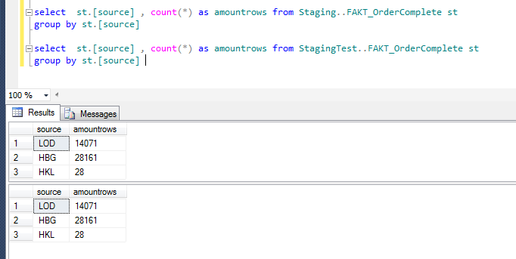 | select st.[source] , count(*) as amountrows from Staging..FAKT_OrderComplete st group by st.[source] select st.[source] , count(*) as amountrows from StagingTest..FAKT_OrderComplete st group by st.[source]
5 | Count row between Staging.FAKT_OrderComplete_DB2 and StagingTest.FAKT_OrderComplete_DB2 | the same row | success | 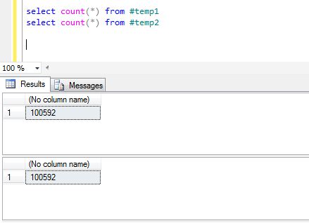 | IF OBJECT_ID('tempdb..#temp1') IS NOT NULL DROP TABLE #temp1; IF OBJECT_ID('tempdb..#temp2') IS NOT NULL DROP TABLE #temp2; SELECT ST.* INTO #temp1 FROM Staging.[dbo].FAKT_OrderComplete_DB2 AS ST ORDER BY ST.orderno; SELECT STT.* INTO #temp2 FROM StagingTest.dbo.FAKT_OrderComplete_DB2 AS STT --where STT.Calculation_Status=0 ORDER BY STT.orderno; --select t2.* ,t1.* from #temp2 t2 inner join #temp1 t1 on t2.orderno=t1.orderno and t2.orderpos=t1.orderpos select count(*) from #temp1 select count(*) from #temp2
6 | count row for each source | the same row | success | 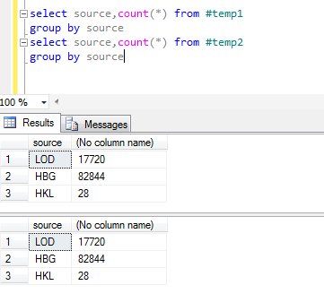 | IF OBJECT_ID('tempdb..#temp1') IS NOT NULL DROP TABLE #temp1; IF OBJECT_ID('tempdb..#temp2') IS NOT NULL DROP TABLE #temp2; SELECT ST.* INTO #temp1 FROM Staging.[dbo].FAKT_OrderComplete_DB2 AS ST ORDER BY ST.orderno; SELECT STT.* INTO #temp2 FROM StagingTest.dbo.FAKT_OrderComplete_DB2 AS STT --where STT.Calculation_Status=0 ORDER BY STT.orderno; --select t2.* ,t1.* from #temp2 t2 inner join #temp1 t1 on t2.orderno=t1.orderno and t2.orderpos=t1.orderpos select source,count(*) from #temp1 group by source select source,count(*) from #temp2 group by source
7 | count row DB3 is not null both Staging.FAKT_OrderComplete_DB2 and StagingTest.FAKT_OrderComplete_DB2 | the same row | success | 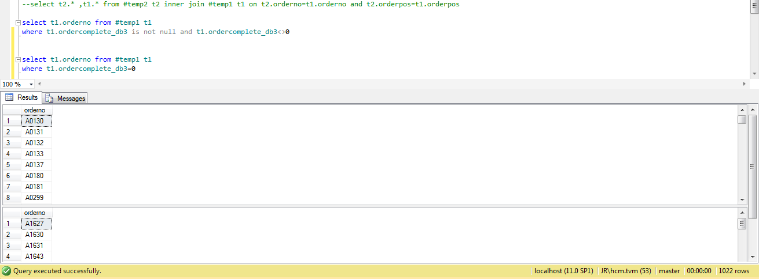 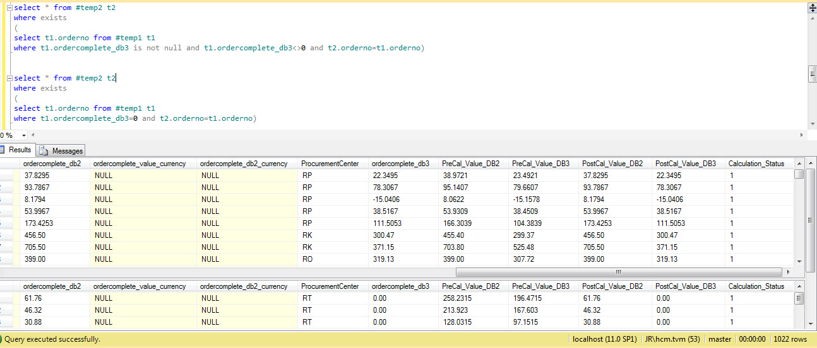 | IF OBJECT_ID('tempdb..#temp1') IS NOT NULL DROP TABLE #temp1; IF OBJECT_ID('tempdb..#temp2') IS NOT NULL DROP TABLE #temp2; SELECT ST.* INTO #temp1 FROM Staging.[dbo].FAKT_OrderComplete_DB2 AS ST ORDER BY ST.orderno; SELECT STT.* INTO #temp2 FROM StagingTest.dbo.FAKT_OrderComplete_DB2 AS STT --where STT.Calculation_Status=0 ORDER BY STT.orderno; --select t2.* ,t1.* from #temp2 t2 inner join #temp1 t1 on t2.orderno=t1.orderno and t2.orderpos=t1.orderpos select t1.orderno from #temp1 t1 where t1.ordercomplete_db3 is not null and t1.ordercomplete_db3<>0 select t1.orderno from #temp1 t1 where t1.ordercomplete_db3=0 select * from #temp2 t2 where exists ( select t1.orderno from #temp1 t1 where t1.ordercomplete_db3 is not null and t1.ordercomplete_db3<>0 and t2.orderno=t1.orderno) select * from #temp2 t2 where exists ( select t1.orderno from #temp1 t1 where t1.ordercomplete_db3=0 and t2.orderno=t1.orderno)
8 | count row ordercomplete_DB2 is null from Staging.FAKT_OrderComplete_DB2 and compare with StagingTest.FAKT_OrderComplete_DB2 in Precal_value_DB2 is null or equal 0 and PostCal_Value_DB2 equal 0 | the same row |  | 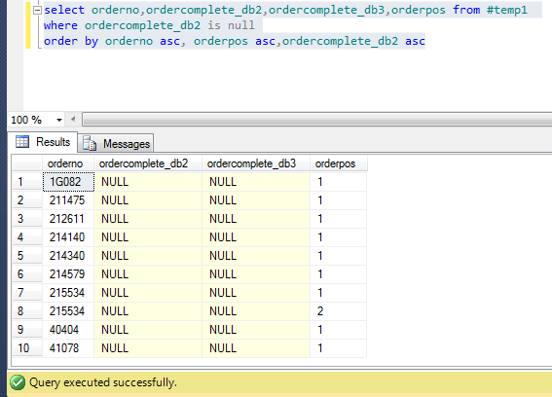 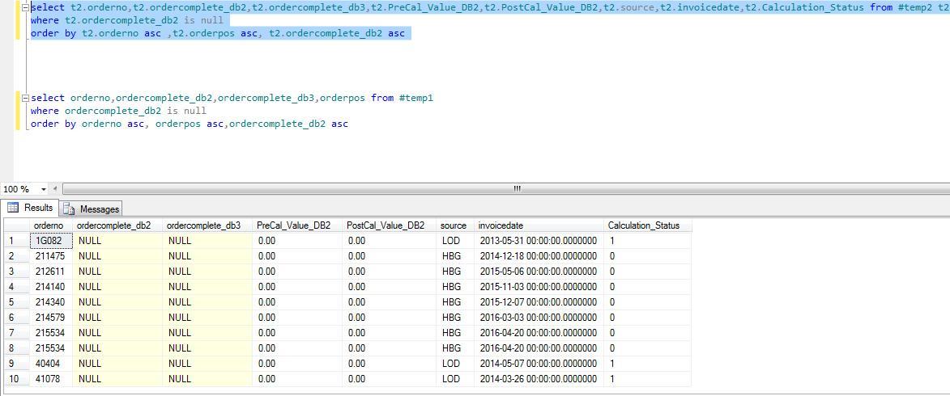 | IF OBJECT_ID('tempdb..#temp1') IS NOT NULL DROP TABLE #temp1; IF OBJECT_ID('tempdb..#temp2') IS NOT NULL DROP TABLE #temp2; SELECT ST.* INTO #temp1 FROM Staging.[dbo].FAKT_OrderComplete_DB2 AS ST ORDER BY ST.orderno; SELECT STT.* INTO #temp2 FROM StagingTest.dbo.FAKT_OrderComplete_DB2 AS STT --where STT.Calculation_Status=0 ORDER BY STT.orderno; select orderno,ordercomplete_db2,ordercomplete_db3,orderpos from #temp1 where ordercomplete_db2 is null order by orderno asc, orderpos asc,ordercomplete_db2 asc select t2.orderno,t2.ordercomplete_db2,t2.ordercomplete_db3,t2.PreCal_Value_DB2,t2.PostCal_Value_DB2,t2.source,t2.invoicedate,t2.Calculation_Status from #temp2 t2 where t2.ordercomplete_db2 is null order by t2.orderno asc ,t2.orderpos asc, t2.ordercomplete_db2 asc
9 | count row ordercomplete_DB2 =0 from Staging.FAKT_OrderComplete_DB2 and compare with StagingTest.FAKT_OrderComplete_DB2 in Precal_value_DB2 equal 0 and PostCal_Value_DB2 equal 0 | count row ordercomplete_DB2 =0 from Staging.FAKT_OrderComplete_DB2=StagingTest.FAKT_OrderComplete_DB2 in Precal_value_DB2 equal 0 and ordercomplete_DB2 equal 0 add StagingTest.FAKT_OrderComplete_DB2 in PostCal_value_DB2 equal 0 and ordercomplete_DB2 equal 0 | success | 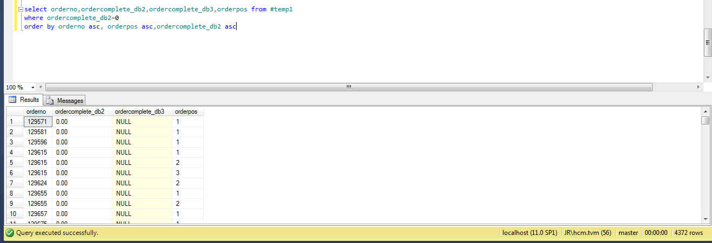 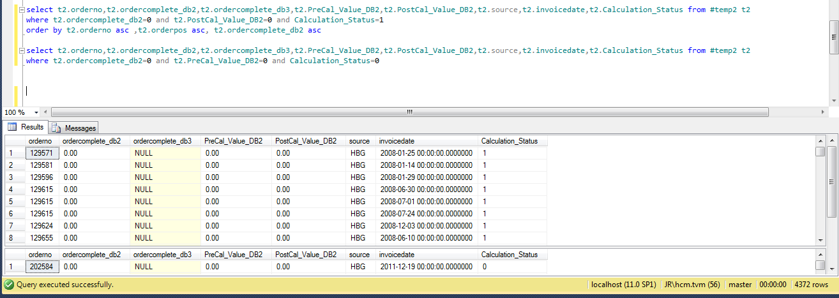 | IF OBJECT_ID('tempdb..#temp1') IS NOT NULL DROP TABLE #temp1; IF OBJECT_ID('tempdb..#temp2') IS NOT NULL DROP TABLE #temp2; SELECT ST.* INTO #temp1 FROM Staging.[dbo].FAKT_OrderComplete_DB2 AS ST ORDER BY ST.orderno; SELECT STT.* INTO #temp2 FROM StagingTest.dbo.FAKT_OrderComplete_DB2 AS STT --where STT.Calculation_Status=0 ORDER BY STT.orderno; select t2.orderno,t2.ordercomplete_db2,t2.ordercomplete_db3,t2.PreCal_Value_DB2,t2.PostCal_Value_DB2,t2.source,t2.invoicedate,t2.Calculation_Status from #temp2 t2 where t2.ordercomplete_db2=0 and t2.PostCal_Value_DB2=0 and Calculation_Status=1 order by t2.orderno asc ,t2.orderpos asc, t2.ordercomplete_db2 asc select t2.orderno,t2.ordercomplete_db2,t2.ordercomplete_db3,t2.PreCal_Value_DB2,t2.PostCal_Value_DB2,t2.source,t2.invoicedate,t2.Calculation_Status from #temp2 t2 where t2.ordercomplete_db2=0 and t2.PreCal_Value_DB2=0 and Calculation_Status=0 select orderno,ordercomplete_db2,ordercomplete_db3,orderpos from #temp1 where ordercomplete_db2=0 order by orderno asc, orderpos asc,ordercomplete_db2 asc
10 | count row ordercomplete_DB2 <>0 and ordercomplete_DB2 is not null from Staging.FAKT_OrderComplete_DB2 and compare with StagingTest.FAKT_OrderComplete_DB2 with cases Precal_Value-DB2 and PostCal_value_DB2 case 1 : ordercomplete_db2<>0 and PostCal_Value_DB2<>0 and Calculation_Status=1 and ordercomplete_db2=PostCal_Value_DB2 and PreCal_Value_DB2=0 case 2: ordercomplete_db2<>0 and PreCal_Value_DB2<>0 and Calculation_Status=0 and ordercomplete_db2=PreCal_Value_DB2 and PostCal_Value_DB2=0 case 3: ordercomplete_db2<>0 and PreCal_Value_DB2<>0 and ordercomplete_db2=PreCal_Value_DB2 and PostCal_Value_DB2=PreCal_Value_DB2 Case 4: ordercomplete_db2<>0 and PreCal_Value_DB2<>0 and ordercomplete_db2=PostCal_Value_DB2 and PostCal_Value_DB2<>PreCal_Value_DB2 Case 5: ordercomplete_db2<>0 and PostCal_Value_DB2<>0 and ordercomplete_db2<>PostCal_Value_DB2 and PreCal_Value_DB2=0 | count row ordercomplete_DB2 <>0 and ordercomplete_DB2 is not null from Staging.FAKT_OrderComplete_DB2 = total rows in 5 case union all | success | 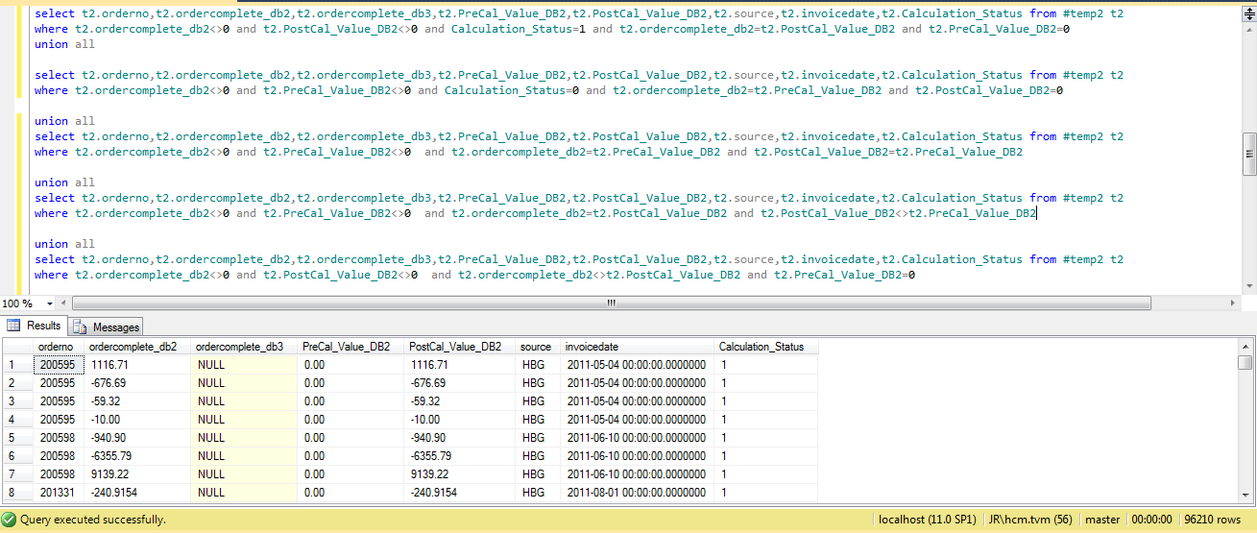 | IF OBJECT_ID('tempdb..#temp1') IS NOT NULL DROP TABLE #temp1; IF OBJECT_ID('tempdb..#temp2') IS NOT NULL DROP TABLE #temp2; SELECT ST.* INTO #temp1 FROM Staging.[dbo].FAKT_OrderComplete_DB2 AS ST ORDER BY ST.orderno; SELECT STT.* INTO #temp2 FROM StagingTest.dbo.FAKT_OrderComplete_DB2 AS STT --where STT.Calculation_Status=0 ORDER BY STT.orderno; select t2.orderno,t2.ordercomplete_db2,t2.ordercomplete_db3,t2.PreCal_Value_DB2,t2.PostCal_Value_DB2,t2.source,t2.invoicedate,t2.Calculation_Status from #temp2 t2 where t2.ordercomplete_db2<>0 and t2.PostCal_Value_DB2<>0 and Calculation_Status=1 and t2.ordercomplete_db2=t2.PostCal_Value_DB2 and t2.PreCal_Value_DB2=0 union all select t2.orderno,t2.ordercomplete_db2,t2.ordercomplete_db3,t2.PreCal_Value_DB2,t2.PostCal_Value_DB2,t2.source,t2.invoicedate,t2.Calculation_Status from #temp2 t2 where t2.ordercomplete_db2<>0 and t2.PreCal_Value_DB2<>0 and Calculation_Status=0 and t2.ordercomplete_db2=t2.PreCal_Value_DB2 and t2.PostCal_Value_DB2=0 union all select t2.orderno,t2.ordercomplete_db2,t2.ordercomplete_db3,t2.PreCal_Value_DB2,t2.PostCal_Value_DB2,t2.source,t2.invoicedate,t2.Calculation_Status from #temp2 t2 where t2.ordercomplete_db2<>0 and t2.PreCal_Value_DB2<>0 and t2.ordercomplete_db2=t2.PreCal_Value_DB2 and t2.PostCal_Value_DB2=t2.PreCal_Value_DB2 union all select t2.orderno,t2.ordercomplete_db2,t2.ordercomplete_db3,t2.PreCal_Value_DB2,t2.PostCal_Value_DB2,t2.source,t2.invoicedate,t2.Calculation_Status from #temp2 t2 where t2.ordercomplete_db2<>0 and t2.PreCal_Value_DB2<>0 and t2.ordercomplete_db2=t2.PostCal_Value_DB2 and t2.PostCal_Value_DB2<>t2.PreCal_Value_DB2 union all select t2.orderno,t2.ordercomplete_db2,t2.ordercomplete_db3,t2.PreCal_Value_DB2,t2.PostCal_Value_DB2,t2.source,t2.invoicedate,t2.Calculation_Status from #temp2 t2 where t2.ordercomplete_db2<>0 and t2.PostCal_Value_DB2<>0 and t2.ordercomplete_db2<>t2.PostCal_Value_DB2 and t2.PreCal_Value_DB2=0

